Sheet1
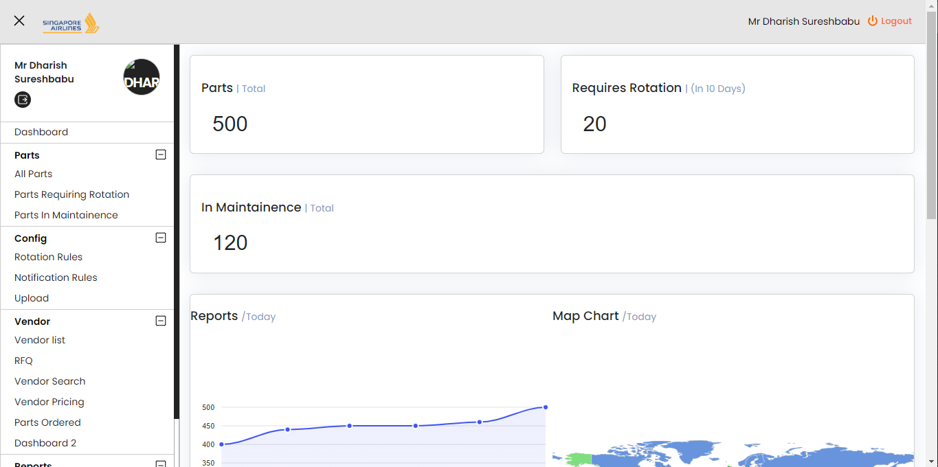
Dashboards
Blocks
Timelines
Donut Charts
Dashboards | Created
13
Dashboards | Deployed
6

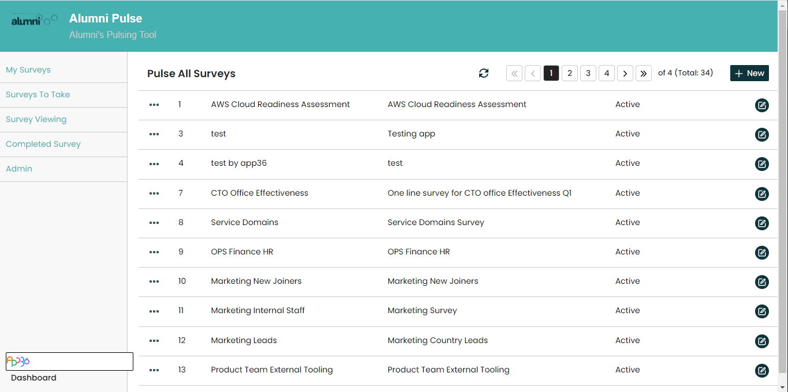
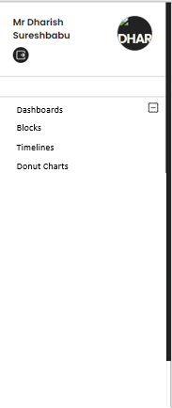
Dashboards
Dashboard 1
Dashboard 2
Dashboard 3
Dashboard 5
Dashboard 11
Dashboard 15
6
Dashboard 15
View Dashboard

Blocks
Dashboard 1
Dashboard 2
Dashboard 3
Dashboard 5
Dashboard 11
Dashboard 15
6
Dashboard 15
Blocks

